Dashboard

Car Sale Dashboard



Data



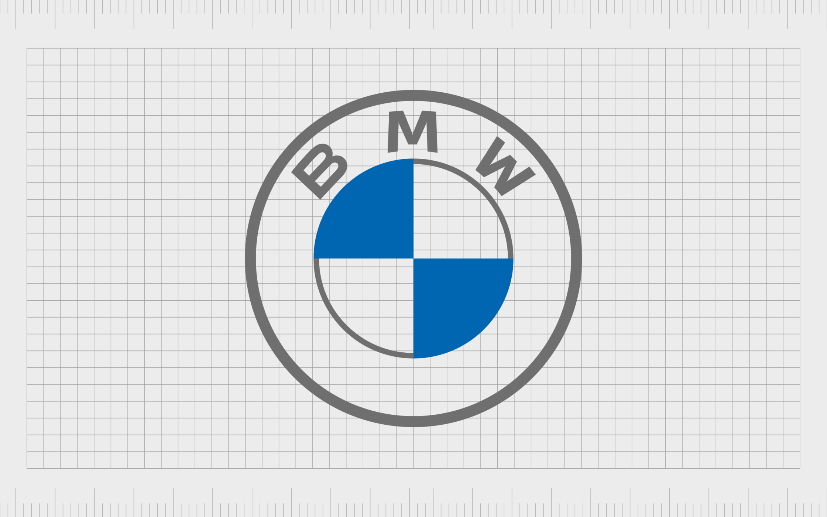





Sum of Transmission km driven cars
 | Total
Automatic | 22260584
Manual | 265115890
Sellerwise Count of Cars
 | Total
Dealer | 994
Individual | 3244
Trustmark Dealer | 102
Yearwise selling Price
 | Total
1992 | 50000
1995 | 95000
1996 | 450000
1997 | 279000
1998 | 2568000
1999 | 735000
2000 | 978000
2001 | 2352998
2002 | 1905000
2003 | 1991000
2004 | 5113499
2005 | 9266107
2006 | 17357994
2007 | 21818999
2008 | 25259193
2009 | 44305994
2010 | 63104682
2011 | 79575988
2012 | 154225974
2013 | 187133191
2014 | 192025984
2015 | 222684984
2016 | 217185981
2017 | 358311985
2018 | 333341988
2019 | 206508994
2020 | 39286998

Slicers

Top 3 used fule
 | Total
CNG | 2689390
Diesel | 171445495
Electric | 62000
LPG | 2061600
Petrol | 111117989
Top 5 Average selling Price Cars
 | Total
Audi A5 Sportback | 4700000
Audi RS7 2015-2019 Sportback Performance | 8900000
BMW X5 xDrive 30d xLine | 4950000
Mercedes-Benz GLS 2016-2020 350d 4MATIC | 5500000
Mercedes-Benz S-Class S 350d Connoisseurs Edition | 8150000

Top 10 km Driven cars
 | Total
Mahindra XUV500 W8 2WD | 2437855
Maruti 800 AC | 1863111
Maruti Alto 800 LXI | 2352511
Maruti Alto LX | 2897598
Maruti Alto LXi | 3642045
Maruti Ritz VDi | 1972895
Maruti Swift Dzire VDI | 5694271
Maruti Swift VDI | 2339823
Maruti Swift VDI BSIV | 2547062
Tata Indica GLS BS IV | 1980000


LOGOS

Future Scope


1. Data-Driven Sales Optimization: Advanced Analytics and Insights: Dashboards will incorporate more sophisticated analytics tools like predictive modeling, machine learning, and AI to predict sales trends, customer preferences, and demand patterns. Real-Time Data Integration: Dashboards that integrate real-time data from various sources (social media, market trends, customer feedback) will enable more dynamic decision-making. 2. Enhanced Customer Profiling and Segmentation: Behavioral Analytics: Dashboards will allow dealerships to create detailed profiles of potential buyers by analyzing their browsing history, purchase behavior, and even interactions with online content . AI-Powered Personalization: Integration of AI to provide recommendations based on customer behavior patterns will make it easier for sales teams to target specific customer segments with personalized offers. 3. Sales and Marketing Performance Tracking: Campaign Performance Metrics: Dashboards will track marketing and advertising campaign performance, providing insights into cost-per-lead, conversion rates, and ROI. This helps in allocating budget to the most effective channels. Sales Funnel Optimization: Monitoring the entire sales funnel—lead generation, conversion, and post-sale interactions—will allow dealerships to identify bottlenecks and optimize processes. 4. Customer Experience and Satisfaction Tracking: NPS and CSAT Tracking: Dashboards will increasingly track Net Promoter Scores (NPS) and Customer Satisfaction (CSAT) metrics to monitor customer feedback and satisfaction. Feedback Analysis: Natural Language Processing (NLP) can analyze customer reviews and feedback to identify common issues and areas for improvement.

